Hiearchy View
CLASS: AUTO DIALER
(also spelled auto dialer, auto-dialer, and autodialer) is an electronic device or software that automatically dials telephone numbers. | 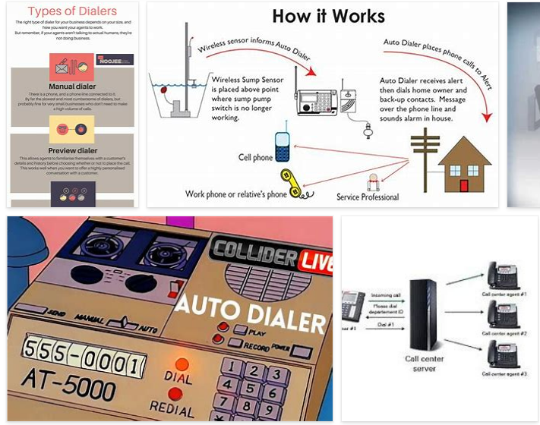
REMOVE | N

PROBLEM_DESC | CAUSE_DESC | REMEDY_DESC
BROKEN/DAMAGED
NOISE
OTHER PROBLEM
OVERHEATING
POWER-ELEC
STOPPED/SLOWED/POOR OPS
TEMP-CTRL
VIBRATION
Grand Total

